Hárok1
 |  |  |  | 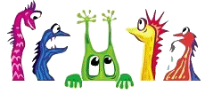
1. Write the missing words./Napíš chýbajúce slová.
big, small, long, short
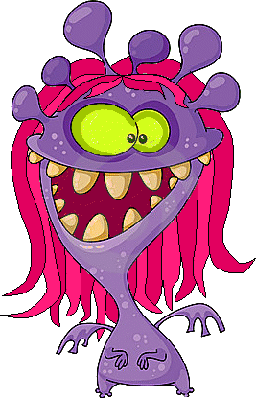
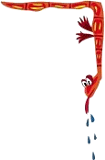
He has got a
mouth.

She has got two
eyes.
She has got
hair.

He has got
teeth.
He has got a
mouth.

She has got six
ears.

He has got seven
eyes.

He has got a
nose.

She has got a
mouth.
He has got
hair.
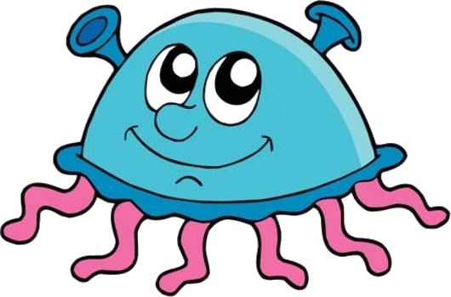

2. Write the missing words./Napíš chýbajúce slová.
big, small, long, short
I´ve got a
head.
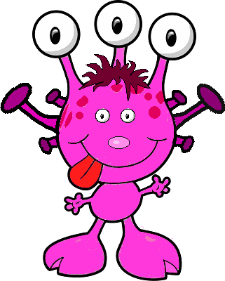

I´ve got
I´ve got
hair.

I´ve got three
eyes.

I´ve got two
eyes.

I´ve got four
ears.

I´ve got two
ears.

I´ve got a
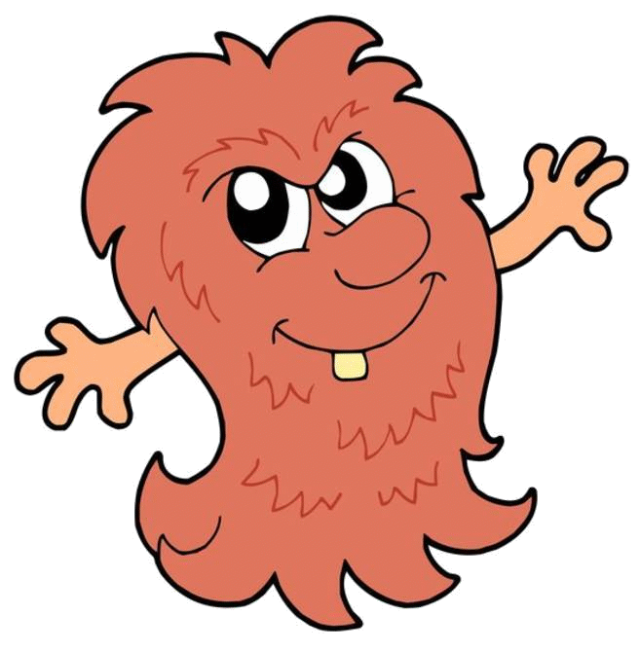
mouth.
I´ve got a
tongue.

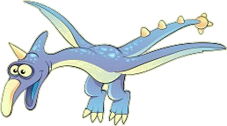
3. Look. Write: T (true) or F (false)./ Pozri sa. Napíš: T (pravdivé) alebo F (chybné) .
3. Look. Write: T (true) or F (false)./ Pozri sa. Napíš: T (pravdivé) alebo F (chybné) .
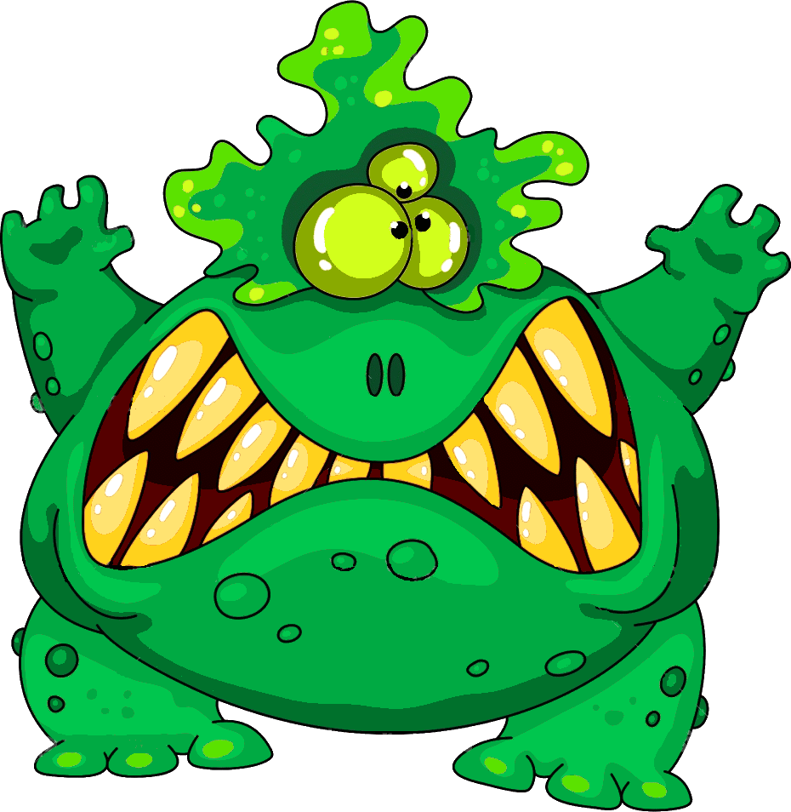



 |  |  |  | I´ve got big eyes.

 |  |  |  | I´ve got a small mouth.

 |  |  |  | I´ve got a big nose.

 |  |  |  | I´ve got big teeth.

 |  |  |  | I´ve got big ears.

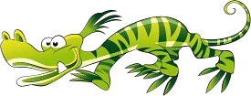
 | Ty si získal (a) | 0 | bodov.
 | Získal (a) si | 0.00 | percent.
 | Zaslúžiš si | päťku!
Zostavila: Mgr. Andrea Romanová

